Lazard
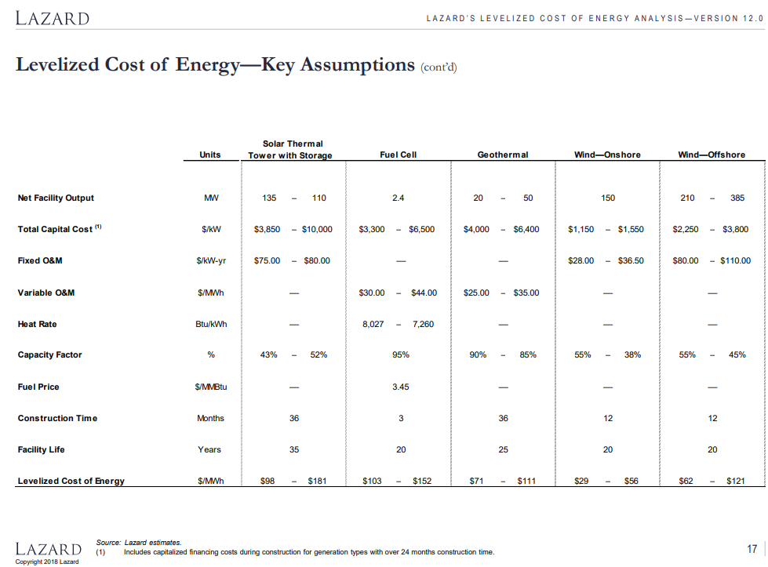

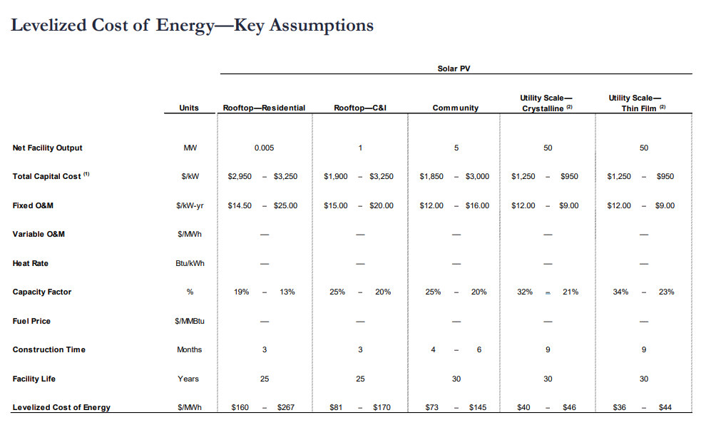

HK WTE
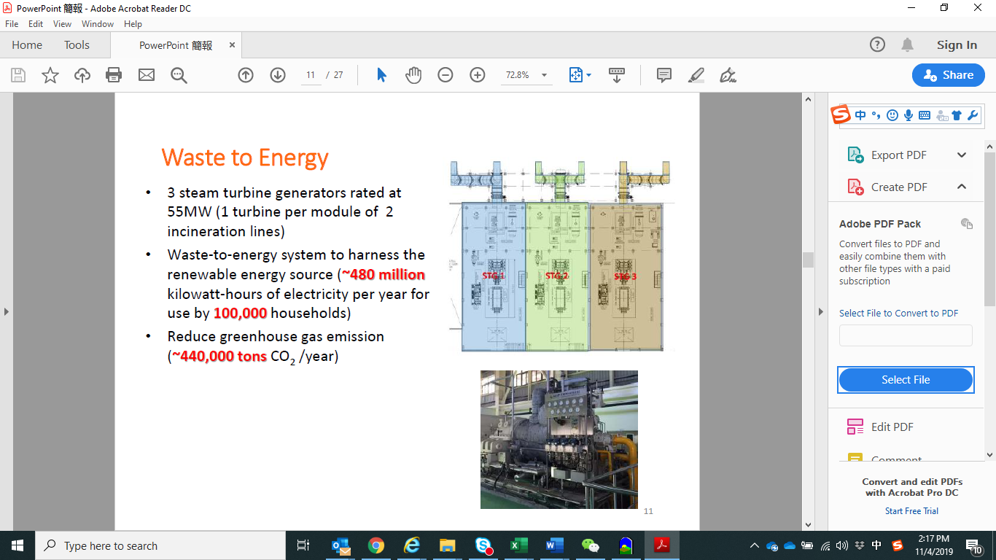
cacpacity | 165 | MW
generation | 480000000 | KWh
capacoty factor | 0.33208800332

